Act1_Campaign Marketing
A candidate for mayor has allocated $40,000 for last minute advertising in the days preceding the election. Two types of ads will be used: radio and television. Each radio ad costs $200 and reaches an estimated 3000 people. Each television ad costs $500 and reaches an estimated 7000 people. The campaigning mayor would like to reach as many people as possible, but she has stipulated that at least 10 ads of each type be used. Also, the number of radio ads must be at least as great as the number of television ads.
1. How many ads of each type should be used?
2. How many people will be reached?

 | Radio Ads | TV Ads
Variables: | 175 | 10
 | 3,000 | 7,000 | <--people reached

Objective(max)
People Reached | 595,000 | =SUMPRODUCT(E17:F17,E18:F18)

Constraints: |  |  | LHS | Sign | RHS
Budget: | $200 | $500 | $40,000 | <= | $40,000 | =SUMPRODUCT($E$17:$F$17,E27:F27)
at least 10 radio ads | 1 |  | 175 | >= | 10 | =SUMPRODUCT($E$17:$F$17,E28:F28)
at least 10 TV ads |  | 1 | 10 | >= | 10 | =SUMPRODUCT($E$17:$F$17,E29:F29)
R>=TV | 1 | -1 | 165 | >= | 0 | =SUMPRODUCT($E$17:$F$17,E30:F30)

Summary Sentence:
To reached 595,000 people the candidate must purchased 175 radio ads and 10 TV adds.

Act2_PC Tech Company
PC Tech Company
The PC Tech company assembles and then tests two models of computers, Basic and XP. For the coming month, the company wants to decide how many of each model to assemble and then test. No computers are in inventory from the previous month, and because these models are going to be changed after this month, the company doesn’t want to hold any inventory after this month. It believes the most it can sell this month are 600 Basics and 1200 XPs. Each Basic sells for $300 and each XP sells for $450. The cost of component parts for a Basic is $150; for an XP it is $225. Labor is required for assembly and testing. There are at most 10,000 assembly hours and 3,000 testing hours available. Each labor hour for assembling costs $11 and each labor hour for testing costs $15. Each Basic requires five hours for assembling and one hour for testing. Each XP requires six hours for assembling and two hours for testing. PC Tech wants to know how many of each model it should produce (assemble and test) to maximize its net profit, but it cannot use more labor hours that are available, and it does not want to produce more than it can sell.
 | No. of Basics | No.of XP
Variables: | 560 | 1200 |  |  |  | Summary Sentence:
 |  |  |  |  |  | Produce 560 Basics Computer,1200 XP Computers for maximum net profit of $199,600.
Objective(max): |  |  | Total:
Revenue: | $300 | $450 | $708,000 |  |  | =SUMPRODUCT($B$2:$C$2,$B$5:$C$5)

Costs:
Parts | 150 | 225 | $354,000 |  |  | =SUMPRODUCT($B$2:$C$2,B8:C8)
Assembly hrs | 5 | 6 | $110,000 |  |  | =SUMPRODUCT($B$2:$C$2,B9:C9)*H9 | $11 | assemble costs
Testing hrs | 1 | 2 | $44,400 |  |  | =SUMPRODUCT($B$2:$C$2,B10:C10)*H10 | $15 | testing costs
Total Costs: |  |  | $508,400 |  |  | =SUM(D8:D10)

Profit: |  |  | $199,600 |  |  | =D5-D11

Constraints: |  |  | LHS | Sign | RHS
at most 600 basics | 1 |  | 560 | <= | 600 | =SUMPRODUCT($B$2:$C$2,B16:C16)
at most 12000 XP |  | 1 | 1200 | <= | 1200 | =SUMPRODUCT($B$2:$C$2,B17:C17)
Assembly hours | 5 | 6 | 10000 | <= | 10000 | =SUMPRODUCT($B$2:$C$2,B18:C18)
Testing hours | 1 | 2 | 2960 | <= | 3000 | =SUMPRODUCT($B$2:$C$2,B19:C19)

Act3_Investment allocation
A brokerage firm has been instructed by a client to invest $250,000. The client requests the firm select whatever stocks and bonds they believe are well-rated, but with the following guidelines:
Municipal bonds constitute at least 20% of investment.
At least 40% of the investment is placed in tech stocks.
No more than 50% of the amount invested in municipal bonds should be high risk.
 | B1 | B2 | B3 | B4 | B5
Variables: | $50,000 | $0 | $0 | $175,000 | $25,000
 | 5.30% | 6.80% | 4.90% | 8.40% | 11.80%

Objective:(max)
Rate of Return | $20,300 | =SUMPRODUCT($B$2:$F$2,$B$3:$F$3)

 |  |  |  |  |  |  |  |  |  |  | Investment | Rate of Return(%)
 |  |  |  |  |  |  |  |  |  | B1 | LA Municipal Bond | 5.3
Constraints |  |  |  |  |  | LHS | Sign | RHS |  | B2 | Thompson Electronics,Inc. | 6.8 | tech
Budget | 1 | 1 | 1 | 1 | 1 | $250,000 | <= | $250,000 | =SUMPRODUCT($B$2:$F$2,B12:F12) | B3 | United Aerospace Corp. | 4.9 | tech
Municipal bond 20% | 1 |  |  |  |  | $50,000 | >= | $50,000 | =SUMPRODUCT($B$2:$F$2,B13:F13) | B4 | Palmer Technologies | 8.4 | tech
at least 40% tech bond |  | 1 | 1 | 1 |  | $175,000 | >= | $100,000 | =SUMPRODUCT($B$2:$F$2,B14:F14) | B5 | HDN Stock(high risk) | 11.8
no more 50% of municipal bond in high risk | -50% |  |  |  | 1 | 0 | <= | $- | =SUMPRODUCT($B$2:$F$2,B15:F15)

Act4_Busing Problem
Johns Hopkins is setting up three Charter schools in Baltimore City: Kyoko HS, Devon HS, and Manny HS. Each high school has a capacity of 900 students. The Mayor hires your company to assign accepted students to these three new high schools. Busses will be provided to students who live more than walking distance (defined as 1.5 miles) to the schools. Baltimore City has been partitioned into five neighborhoods: A, B, C, D and E. Kyoko HS is in sector B, Devon HS is in sector C, and Manny HS is in sector E. If a student lives in a sector and is assigned to the high school in that sector, the student can walk to school and does not get a bus. All students must be assigned a school. The table below shows the distance (in miles) from each sector to each school. Minimize the total student miles travelled by bus.

 | Distance (miles) from Sector to School
 | Sector | Distance to Kyoko HS (in Sector B) | Distance to Devon HS (in Sector C) | Distance to Manny HS (in Sector e) | Number of Students
 | A | 5 | 8 | 6 | 700
 | B | 0 | 4 | 12 | 500
 | C | 4 | 0 | 7 | 100
 | D | 7 | 2 | 5 | 800
 | E | 12 | 7 | 0 | 400

 | No. of students to assign from Sector A,B,C,D,E to HS in Sector B,C and E
Variables: | A to B | A to C | A to E | B to B | B to C | B to E | C to B | C to C | C to E | D to B | D to C | D to E | E to B | E to C | E to E
 | 400 | 0 | 300 | 500 | 0 | 0 | 0 | 100 | 0 | 0 | 800 | 0 | 0 | 0 | 400
 | 5 | 8 | 6 | 0 | 4 | 12 | 4 | 0 | 7 | 7 | 2 | 5 | 12 | 7 | 0 | miles traveled

Objective:(min)
student bus miles: | 5400 | =SUMPRODUCT($B$26:$P$26,$B$27:$P$27)

Constraints: |  |  |  |  |  |  |  |  |  |  |  |  |  |  |  | LHS | Sign | RHS
900 in school B | 1 |  |  | 1 |  |  | 1 |  |  | 1 |  |  | 1 |  |  | 900 | <= | 900
900 in school C |  | 1 |  |  | 1 |  |  | 1 |  |  | 1 |  |  | 1 |  | 900 | <= | 900
900 in school E |  |  | 1 |  |  | 1 |  |  | 1 |  |  | 1 |  |  | 1 | 700 | <= | 900
700 student in A | 1 | 1 | 1 |  |  |  |  |  |  |  |  |  |  |  |  | 700 | = | 700
500 student in B |  |  |  | 1 | 1 | 1 |  |  |  |  |  |  |  |  |  | 500 | = | 500
100 student in C |  |  |  |  |  |  | 1 | 1 | 1 |  |  |  |  |  |  | 100 | = | 100
800 student in D |  |  |  |  |  |  |  |  |  | 1 | 1 | 1 |  |  |  | 800 | = | 800
400 student in E |  |  |  |  |  |  |  |  |  |  |  |  | 1 | 1 | 1 | 400 | = | 400

Summary Sentence :
 | Students from sector A will be assigned 400 to school B and 300 to E
 | All students from sector B will be assigned to school B
 | All students from sector C will be assigned to school C
 | All students from sector D will be assigned to school C
 | All students from sector E will be assigned to school E

Activity Solver
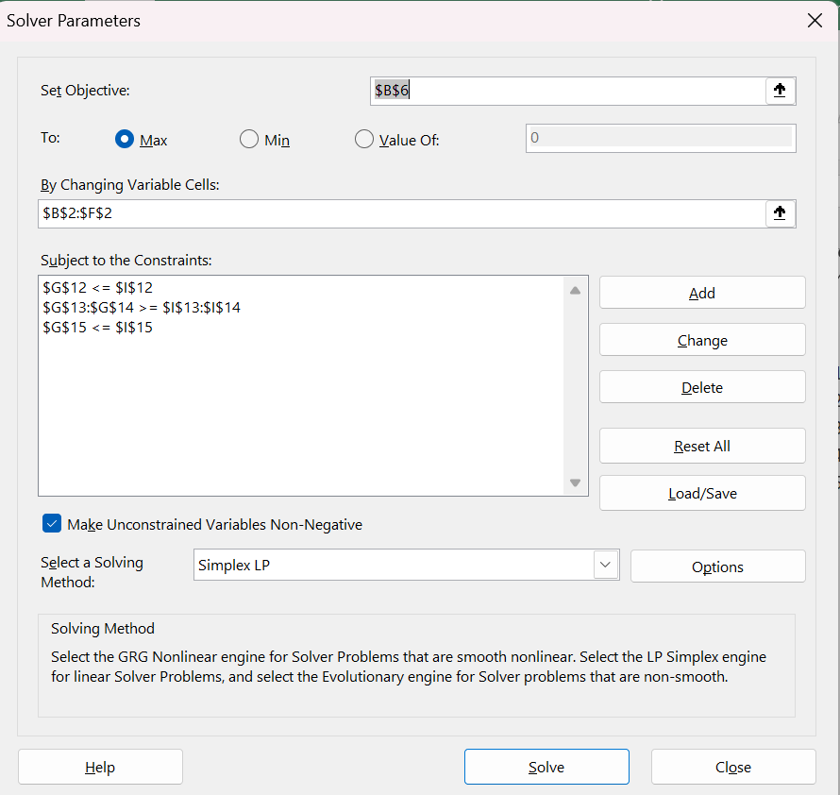
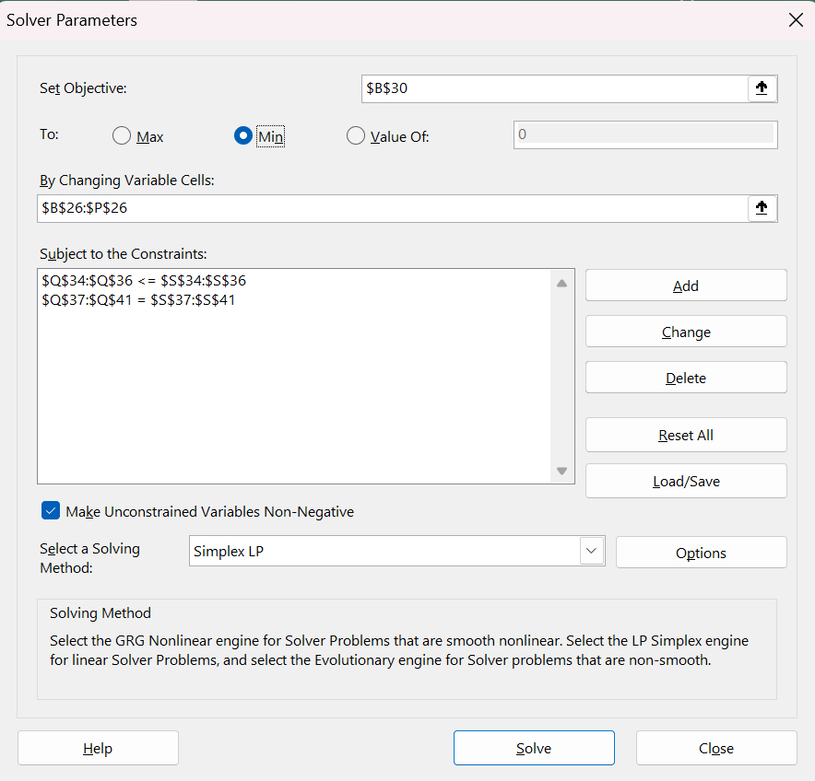
Campaign Marketing Solver Window | PC Tech Company Solver Window
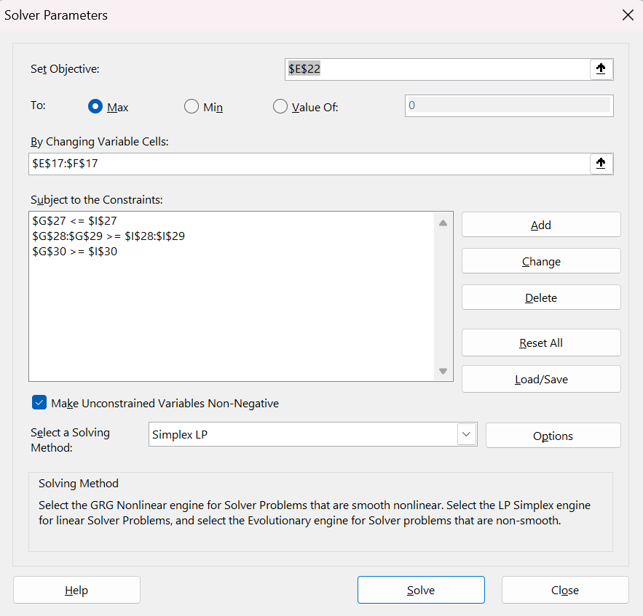
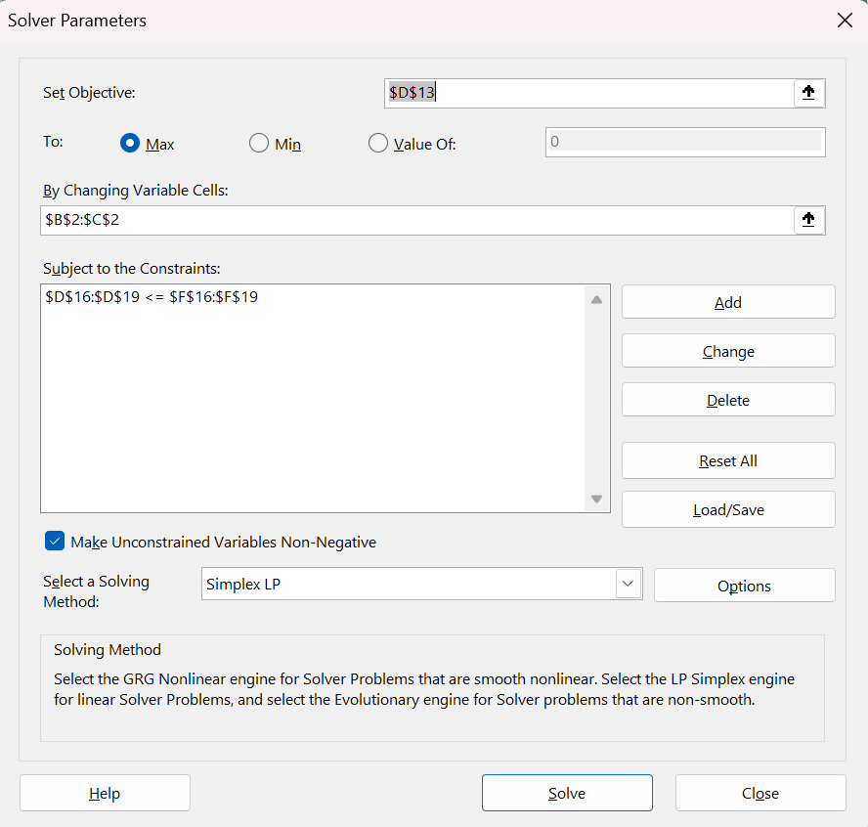

Investment Allocation Solver Window | Busing Problem Solver Window

Practice1_Intro to LP
A company sells two products, X and Y. The profit per unit of X is $5 and the profit per unit of Y is $6.
The company wants to maximize profit, 5X+6Y, subject to the following constraints:
2X+Y≤120
2X+3Y≤240

 | X | Y
Variables | 30 | 60 |  | 90 |  | =B13+C13
Profit per unit | 5 | 6 |  | 11 |  | =B13+C13

Objective(max)
Profit | 510 |  |  |  |  | =SUMPRODUCT($B$13:$C$13,B14:C14)

Constraints |  |  | LHS | Sign | RHS
2X+Y <= 120 | 2 | 1 | 120 | <= | 120 | =SUMPRODUCT($B$13:$C$13,B22:C22)
2X + 3Y <= 240 | 2 | 3 | 240 | <= | 240 | =SUMPRODUCT($B$13:$C$13,B23:C23)

Summary Sentence:
The maximum profit is $510, when X = 30 and Y = 60

Practice2_Furniture Company
Tectona Furniture Corporation manufactures outdoor furniture. Their two main products are benches and tables, both made of teak wood.
The firm has two main resources: its carpenters (labor force) and a supply of teak for use in the furniture. During the next production cycle, 1,250 hours of labor are available under a union agreement. The firm also has a stock of 3,600 board feet of teak lumber. Each bench that Tectona produces requires 4 labor hours and 9 board feet of teak; each picnic table takes 6 labor hours and 36 board feet of teak. Completed benches will yield a profit of $12 each, and tables will result in a profit of $20 each.
As a consultant for Tectona Furniture Corporation, you are tasked with creating a spreadsheet model to help the company obtain the maximum profit during the next production cycle.

 | Bench | Table
Variables: | 260 | 35
 | $12 | $20

Objective(max):
Revenue | $3,120 | $700 | $3,820 |  |  | =B20+C20
 | =B16*B17 | =C17*C16

Constraints |  |  | LHF | SIGN | RHS
board ft | 9 | 36 | 3600 | <= | 3600 | =SUMPRODUCT(B16:C16,B24:C24)
hours | 4 | 6 | 1250 | <= | 1250 | =SUMPRODUCT(B16:C16,B25:C25)

Summary Sentence:
The maximum profit is $3,820 when the 260 benches and 35 tables are produced.

Practice3_Bus Company
A bus company believes that it will need the following number of bus drivers during each of the next five years: 60 drivers in year 1, 70 drivers in year 2, 50 drivers in year 3, 65 drivers in year 4; and 75 drivers in year 5.
At the beginning of each year, the bus company must decide how many new drivers to hire and how many current drivers to fire. It costs $4000 to hire a new driver and $2000 to fire a current driver. A driver's salary is $10,000 per year.
At the beginning of year 1, the company has 50 drivers. A driver hired at the beginning of a year can be used to meet the current year's requirements and is paid full salary for the current year.
As a consultant for the bus company, you have been asked to determine how to minimize the bus company's total costs (which include salary, hiring, and firing costs) over the next five years.

 | Yr | No. Bus Driver
 | 1 | 60
 | 2 | 70
 | 3 | 50
 | 4 | 65
 | 5 | 75

 | Y1 Hired | Y1 Fired | Y2 Hired | Y2 Fired | Y3 Hired | Y3 Fired | Y4 Hired | Y4 Fired | Y5 Hired | Y6 Fired
Variables: | 10 | 0 | 10 | 0 | 0 | 20 | 15 | 0 | 10 | 0

Current Drivers: | 50

Costs
Hiring | $4,000 |  | $180,000 |  | =B31*(B25+D25+F25+H25+J25)
Firing | $2,000 |  | $40,000 |  | =B32*(C25+E25+G25+I25+K25)

Annual Salary Rate | $10,000
Y1 Salary Cost | $600,000
Y2 Salary Cost | $700,000
Y3 Salary Cost | $500,000
Y4 Salary Cost | $650,000
Y5 Salary Cost | $750,000
Total Salary Cost |  |  | $3,200,000 |  | =SUM(B35:B39)

Objective:(min)
Total costs: | $3,420,000 |  |  |  | =SUM(D31,D32,D40)

Constraints: |  |  |  |  |  |  |  |  |  |  | LHS | Sign | RHS
Y1 = 60 | 1 |  |  |  |  |  |  |  |  |  | 60 | = | 60 | =$B$28+(SUMPRODUCT($B$25:$K$25,B49:K49))
Y2 = 70 | 1 |  | 1 |  |  |  |  |  |  |  | 70 | = | 70 | =$B$28+(SUMPRODUCT($B$25:$K$25,B50:K50))
Y3 = 50 | 1 |  | 1 |  |  | -1 |  |  |  |  | 50 | = | 50 | =$B$28+(SUMPRODUCT($B$25:$K$25,B51:K51))
Y4 = 65 |  |  |  |  |  |  | 1 |  |  |  | 65 | = | 65 | =$B$28+(SUMPRODUCT($B$25:$K$25,B52:K52))
Y5 = 75 |  |  |  |  |  |  | 1 |  | 1 |  | 75 | = | 75 | =$B$28+(SUMPRODUCT($B$25:$K$25,B53:K53))

Practice Solver
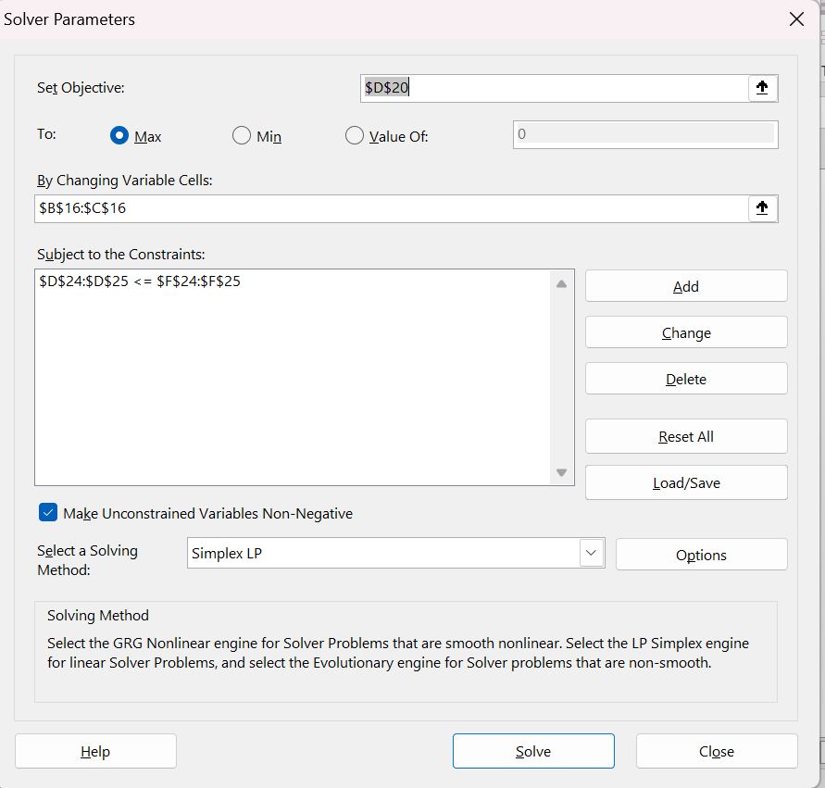
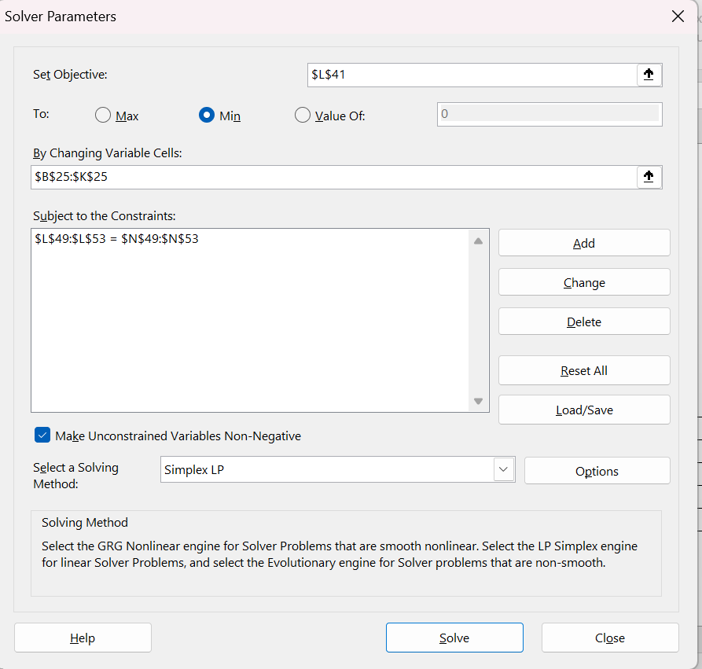
Introduction to Linear Programming Solver Window
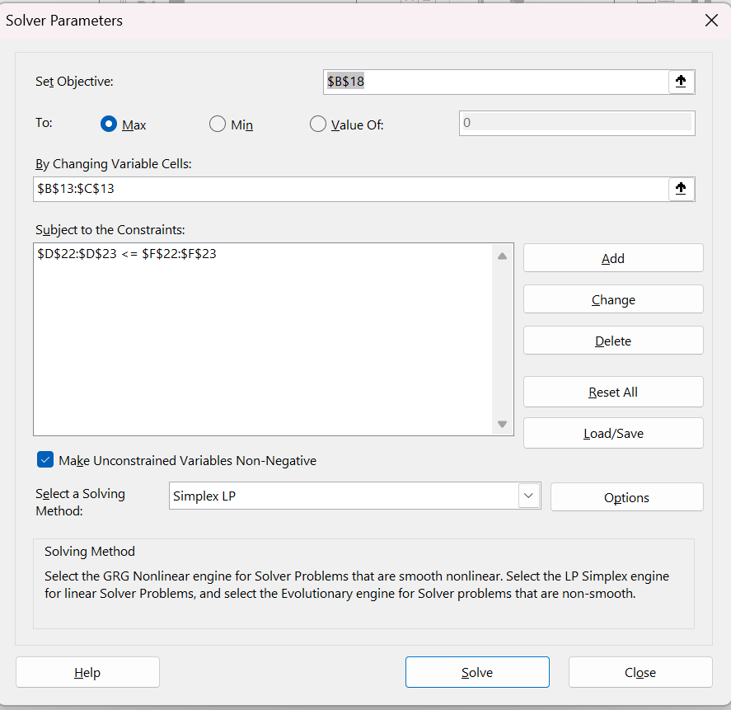

Furniture Company Solver Window | Bus Company Solver Window

